Excercise 3 Test metric
UXXXX Beta: DVP Summary
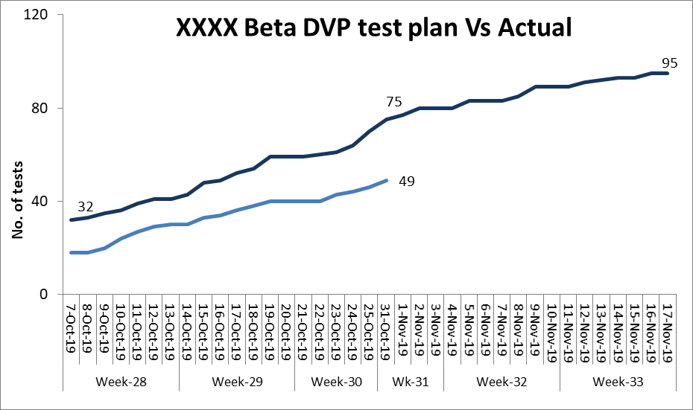
Group 5: | Ranjit Phaltane, Souren Laha, Siddhant, Thiyagarajan, Roshan, Ramcharit
Project objective: Develop a automotive project for domestic market by XXXXXXX
Test Metric for above project

1 | XXXX Beta: test plan status
 | Plan | 100
 | Completed | 48
 | Passed | 30
 | Failed | 18
 | Under progress | 17
 | Test to be started | 0
 | Waiting for parts | 2
 | Retests to be planned | 1
 | Retests passed | 0

2 | Lab wise test status | Planned | Completed | Passed | Failed | Under Progress | Test to be started | Waiting for parts | Retest Planned | Retest Passed

1 | Engine lab (Performance) | 8 | 2 | 2 | 0 | 6 | 0 | 0 | 0 | 0
2 | Vehicle lab (Homologation) | 18 | 5 | 0 | 5 | 0 | 0 | 0 | 0 | 0
3 | Mechanical lab (Part / system/ Durabillity / Reliability) | 18 | 8 | 7 | 1 | 4 | 0 | 0 | 0 | 0
4 | Electrical lab (Perf / Sys / Part) | 41 | 23 | 20 | 3 | 6 | 0 | 2 | 0 | 0
5 | Product testing (Usage, durability etc) | 15 | 10 | 1 | 9 | 1 | 0 | 0 | 1 | 0

3 | Problems status : stage of problem vs severity |  |  | (Status on a particular day of test schedule; Ideally for all problems- solutions should be implemented)
 | Severity Stage | 1 | 2 | 3 | 4 | 5 | 6 | 7 | 8 | 9 | 10
3.1 | Registration |  |  |  |  |  |  |  |  |  | 0
3.2 | Assessment |  |  |  |  |  |  |  |  |  | 0
3.3 | Accept | 1 |  | 1 | 5 | 8 | 3 |  |  |  | 18
3.4 | Assign problem to concerned |  |  | 1 |  | 1 |  |  |  |  | 2
3.5 | Immediate countermeasure |  |  |  |  | 1 |  |  |  |  | 1
3.6 | Root cause analysis |  |  | 1 | 1 | 6 | 2 | 1 |  |  | 11
3.7 | Solution development |  |  | 1 | 6 | 3 | 6 | 1 |  |  | 17
3.8 | Solution implementation |  | 2 | 1 | 8 | 4 | 7 | 2 |  |  | 24
3.9 | Problem resolution confirmation |  | 1 | 1 |  | 10 | 13 | 3 |  |  | 28

